ALL Teacher Overview
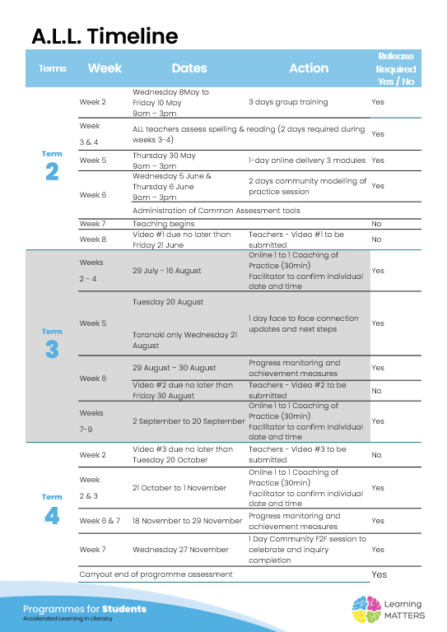

Roadmap
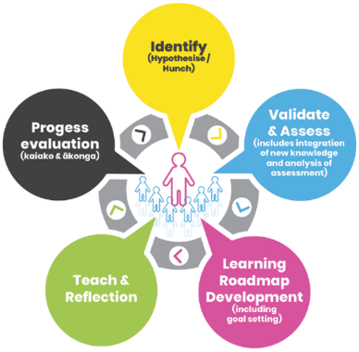 |  | The Inquiry cycle understood …
 |  | Hunch | What do you suspect is the cause of literacy underachievement? Lack of exposure to texts/ Device Use - Many of our students are growing up with working parents who have a lot less time to read to/ with their children. It is easier to give your child a device to watch or interact with and children are more inclined to favour devices due to the way they interact with their growing brains. Complications of a varied and jam-packed curriculum - New Zealand teachers are expected to fit everything from our curriculum into a very short time frameand some schools might not have the resources and expertise to do this in a way that benefits children's literacy learning. We have a lot of new concepts and pedogogy thrown at us as teachers and, in my experience, school leadership will often have a specific focus for the school which can impact other core areas of learning. This can create an imbalance better what we as teachers know we should focus on and what the school as a who is focusing on. Truama - In Canterbury in particular, our students have been put through the wringer since the earthquakes. The truama and stress caused to families has not gone unnoticed by students and has affected their resilience and ability to take risks. Covid has also had a huge impact on students, especially those who were at school during lockdowns. This has on going affects such as the effects of Long Covid, extended periods away from school when sick as opposed to before Covid and greater levels of anxiety.
 |  | Validate and Assess | Once you have completed all assessments has your hunch been validated and or is further assessment or knowledge building necessary?
 |  | Roadmap Actions | Now you have greater knowledge and relevant assessment findings what steps will you take?
 |  | Goal Setting | Write a goal for you as the teacher that reflects your aspirations to continue to improve both knowledge and practice and also a goal for your group of students. My Goal - To have a greater understanding of syntax and the rules of putting sentences together. (I have personally always found this confusing and I don't feel like I've found the right resources to help me understand it, so I don't feel I have the expertise to teach it effectively. Students' Goal - I want them to have a greater understanding of 'why'. Why do we use particular rules when reading and writing and how can we apply these rules to improve our reading and writing.
 |  | Teaching | What will the key components of your teaching sessions include for this group of Tier 2 students? As I am still getting to know the programme I want to focus on spelling but I hope to incorperate decodables and authentic texts later on.
 |  | Reflection | You will be required to reflect throughout your roadmap at regular intervals, particularly after observations and coaching sessions.
 |  | Progress evaluation | At the beginning of Term 3 and again at the end of term 4 you will evaluate the progress both you and your students have made.

Roadmap for implementation and tracking progress and actions
Now use the information and reflections above to map out your roadmap and set goals for your inquiry. ALL participants will be required to keep a journal of their progress and actions. This will assist in monitoring achievements and progress towards teacher and student goals.
Term 2 Goal Setting
Teacher goal |  | - Planning - understand the Scope and Sequence, use supporting materials for review
Student outcome goals |  | - Learn the routines/ expectations for each session (teacher signals, book expectations etc)

Term 2 Roadmap
Week | Focus | Teacher Actions | Reflection and next steps
3
4
5
6
7
8
9
10

Term 2 Evaluation & Term 3 Goal Setting
Student progress and next steps |  | - The students seem to be getting used to the routine and are starting to use strategies learned in these session in other literacy sessions. - The students I am working with are developing a better understanding of sentence structure and the differences between types of sentences.
Teacher progress and next steps |  | - Planning for lessons (what are some follow up activities I can use so the class/ groups don't get bored - Think about how to link this in with other learning areas

Term 3 Roadmap
Week | Focus | Teacher Actions | Reflection and next steps
1 |  |  | Only one session this week as I am only returning to school on Thursday. Observation Reflection I need to learn more about how to do the irregular letter sounds as I have been skimming over this. Good to hear that I have some good routines in place. I need to print out the planning sheets and reither bind them or put them in a folder. I need to remember to let the students decode initially without giving them too much and wait until they ask for me to repeat the sentences so they can access their working memory.
2 |  |  | Having the lesson plans printed has helped so I can just use the laptop for slides and lessons rather than having to go back and forth. Some of the students have struggled without repeating the sentences but others have surprised me with how much they can remember.
3 |  |  | It has been tricky fitting in sessions with our timetable. Koru Games practice will effect this a lot.
4 |  |  | I have been using whiteboards for the Tier 2 students so they don't just copy what we have done in our books when repeating lessons. They seem to enjoy this.
5 |  | IDeaL - (ALL) Professional Development Ashburton - Tuesday 20.8.24 | My Teaching Practice - I would like to focus more on the making sure I'm allowing all the students to be involved by giving more opportunities to participate during our sessions. I want to focus on finger spelling so all students are aware of it and can use it if they want to and sharing the learning intention each time. Student Progress - The students seem much more confident with the process and are using this in other learning areas. I'm interested to see what the assessment data will show. Improved Practice - Seeing the videos shows some other possible options of how I might run my sessions. Looking at the Elements of Explicit instruction has reminded me of what can be don't during a sessions and what to aim for.
6
7
8
9 |  |  | Observation Reflection Great to have clarification on how to teach the irregular sounds in the spelling programme and go over how to break down words for finger spelling. Feeling a bit better about the fact that I don't have to know all of the sounds etc before hand rather than getting to know the up coming lessons more indepth.
10 |  |  | Koru Games - This takes out all Year 7/8 students for three days.

Term 3 Evaluation & Term 4 Goal Setting
Student progress and next steps
Teacher progress and next steps

Term 4 Roadmap
Week | Focus | Teacher Actions | Reflection and next steps
1
2
3
4
5
6
7
8

Term 4 Evaluation & Final Reflections
Student progress and next steps
Teacher progress and next steps

